Sheet1
DV | from | to | flow | node | netflow | supply/demand
8 | 1 | 2 | 8 | 1 | 0 | 0
9 | 1 | 3 | 9 | 2 | 0 | 0
7 | 1 | 4 | 7 | 3 | 0 | 0
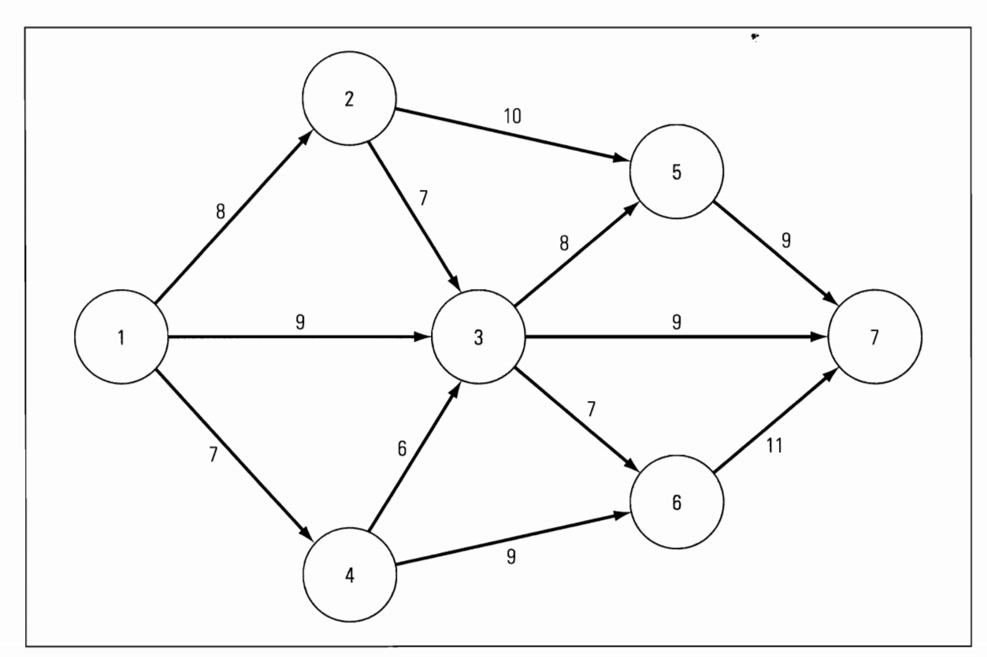
0 | 2 | 3 | 7 | 4 | 0 | 0
8 | 2 | 5 | 10 | 5 | 0 | 0
0 | 3 | 5 | 8 | 6 | 0 | 0
0 | 3 | 6 | 7 | 7 | 0 | 0
9 | 3 | 7 | 9 | 8 | 0 | 0
0 | 4 | 3 | 6
7 | 4 | 6 | 9
8 | 5 | 7 | 9
7 | 6 | 7 | 11
24 | 7 | 1 | 9999

 |  | max flow | 24

